Planilha1
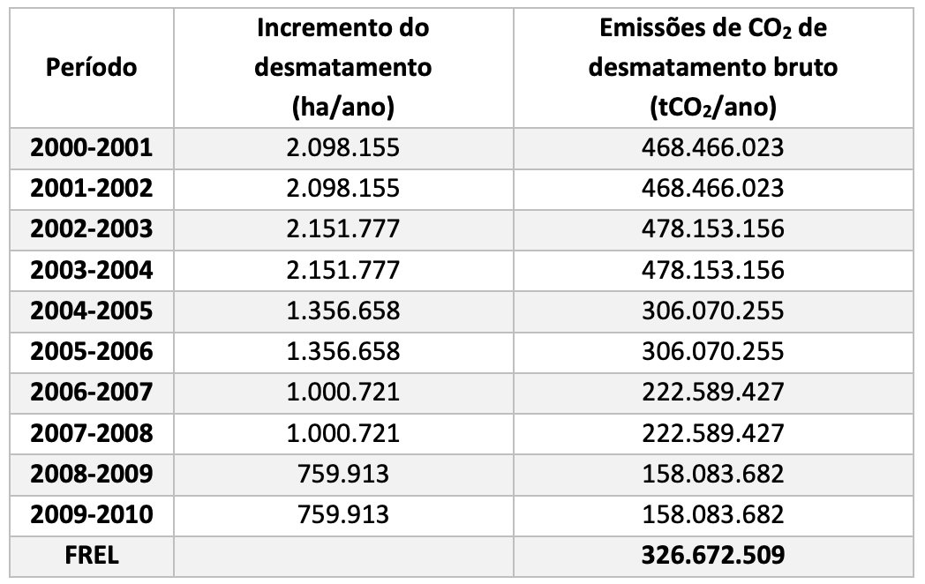

 |  |  |  |  | tCO2/ano
 |  |  |  |  | 220 | 22500 | 4950000
 |  |  |  |  |  | 32500 | 7150000
 |  |  |  |  |  | 32500 | 7150000
 |  |  |  |  |  | 42300 | 9306000
 |  |  |  |  |  | 129800 | 28556000

2001 | 2098155 | 468466023 | 223.2752218
2002 | 2098155 | 468466023 | 223.2752218
2003 | 2151777 | 478153156 | 222.21315499
2004 | 2151777 | 478153156 | 222.21315499
2005 | 1356658 | 306070255 | 225.60605178
2006 | 1356658 | 306070255 | 225.60605178
2007 | 1000721 | 222589427 | 222.42905565
2008 | 1000721 | 222589427 | 222.42905565
2009 | 759913 | 158083682 | 208.02865854
2010 | 759913 | 158083682 | 208.02865854 | 220.31042855

